Economist Graphic - The Good Ch
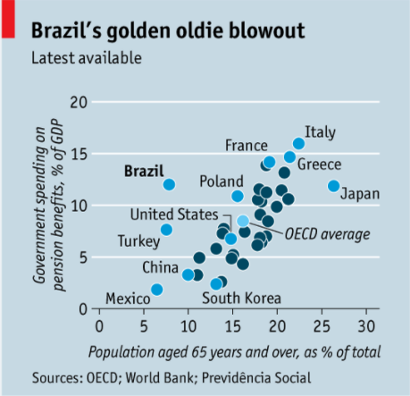
 |  | Your name | Trista Pierce

 |  | For this graphic, what do you see first? | A lot of blue, "oldie", cluttered labels

 |  | Make a note of the first idea that forms in your mind and then search for more. | What is an oldie blowout? I'm supposed to be focusing on Brazil, which wasn't apparent at first to me. I googled OECD and some of those countries are individually displayed as well as the average. Date is not listed.
 |  |  | A deeper look allows me to see that Brazil spends a lot on pension benefits, when their population of 65+ is low. But I'm not sure why some of the supporting countries are light blue and labeled, but some are not. Brazil can be seen as an outlier when looking deeper.
 |  |  | Why is GDP used and total government budget used?

 |  | Article: https://www.economist.com/the-americas/2017/02/25/reducing-brazils-pension-burden

 | What I like | What I dislike | What I wish I saw
 | The use of a scatter plot | Too much blue | Pension benefits as a function of all government budget, not GDP
 | Y and X axis labels and scale | Number of countries labeled | Different color scheme
 | Format of text | Too much uneeded information | OECD average not displayed

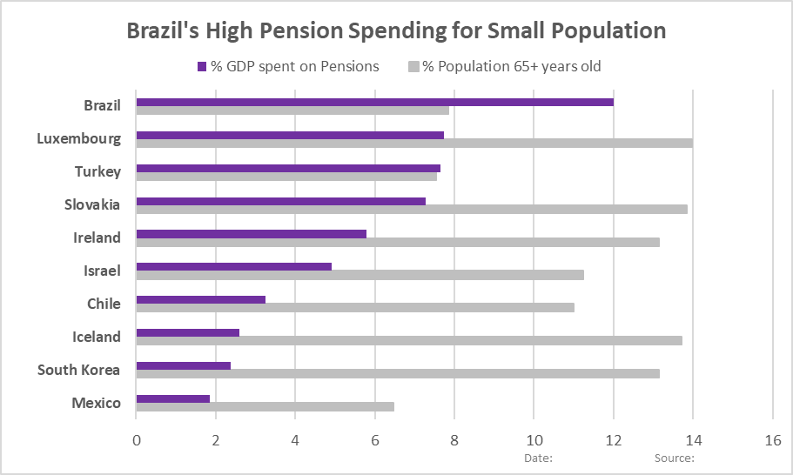
 | What are three things you'd change, and why?
 | I would change... | because.... |  | Although it wasn't required, after reading the chapter, I can see why it is incredibly important to put this theory to practice and actually create a sketch. I used the data provided, and learned a lot in the process. My sketch is included below:
 | Content and Data | I would only include about 10 countries with the lowest % population of 65+ year olds. Therefore, the data points will be comparing countries with similar attributes. Change %GDP to %of government budget. Otherwise, I am worried this is a misleading portrayal of the message trying to be displayed.
 | Type and Color | The blue background is unnecessary and makes things cluttered. I would make it white and keep all the data points labeled grey or light blue and Brazil in dark blue or red. I would also attempt to use a different approach to the graph in general, like a side by side bar graph.
 | Title and Text | I would change the title to "Brazil's High Pension Spending for Small Population" or something to that affect or even include the year. I would add the actual date vice "latest available".

References: | Berinato, S. (2016). Good charts: The HBR guide to making smarter, more persuasive data visualizations.

The Good Charts Matrix
Name of visualization | Design execution (-10 is poor, 10 is excellent) | Contextual awareness (-10 is low, 10 is high)
Economist | 3 | -5
 | Although the coloring and labeling is not the best, the overall use of a scatter plot does make it easy to see an outlier. However, I believe another technique would be better. | I believe the data itself is misleading and confusing and not portraying the data or mesasge the most accurate way

Contextual awareness = what am I trying to say, to whom, and where?
Design execution = How well is this chart constructed?

The Good Charts Matrix

Reference: Berinato, S. (2016). Good charts: The HBR guide to making smarter, more persuasive data visualizations.

